Tugas
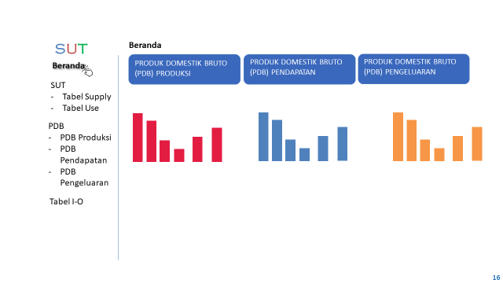
Dari data SUT 2018, buatlah dashboard untuk menampilkan data-data yang dapat diperoleh dari data tersebut!
Contoh dashboard:

